Pre-Requisites
Green Mark for Healthier Workplaces (GM HW: 2018)
Project:

Pre-Requisite Requirements for GM HW: 2018 |  | Requirements met? | Remarks
FOR ALL RATINGS
1. ENERGY EFFICIENCY INDEX (EEI) | All Ratings
To compute and monitor the Energy Efficiency Index (EEI).
2. LIGHTING POWER DENSITY (LPD)
To ensure that the overall installed lighting power density (LPD) does not exceed 12 W/m2.
3. INDOOR TEMPERATURE
To maintain indoor dry bulb temperature at 23°C and above to prevent overcooling. The average relative humidity should not exceed 65% for new office premises and 70% for existing office premises.
4. LOW VOC PAINTS
To use low-VOC paints by an approved local certification body.
5. ENERGY IMPROVEMENT TARGETS & ACTION PLAN
To set site-specific environmental performance targets and action plans for energy.
6. GREEN & HEALTH AMBASSADOR
To appoint a management representative from the corporate real estate team or a green and health ambassador within the office to lead the implementation of the sustainability and also health promotional activities in the office.
7. EMPOLYEE ENGAGEMENT
To conduct at least one green and one health-related activity in a year for the office occupants. Companies may tap on external resources to run these activities.
8. RECYCLING FACILITIES
To provide appropriate recycling facilities for collection and storage of common recyclables such as paper, glass, metal and plastic in commingled or sorted form.
9. POLICY STATEMENT
To set in place a policy statement (e.g. included in organisation's mission statement, core values, HR policies) that supports workplace health promotion.
10. DEDICATED FUNDS |  |  |  | Check for Pre-req 11.
To set aside dedicated funds to run workplace health promotion and green-related activities. |  |  |  | Subtotal | Points | %
Additional Pre-Requisite Requirements: |  |  |  | Parts 1 - 2 | 0.0 | #DIV/0!
FOR GOLD, GOLDPLUS AND PLATINUM RATINGS |  |  |  | Parts 3 - 5 | 0.0 | #DIV/0!
11. MINIMUM POINTS SCORE | Gold, GoldPLUS and Platinum Ratings |  |  | Total | 0.0 | #DIV/0!
To ensure that the office meets both green and health objectives, minimum points score shall be achieved according to the table below.
12. OFFICE ENERGY CONSUMPTION | Gold, GoldPLUS and Platinum Ratings
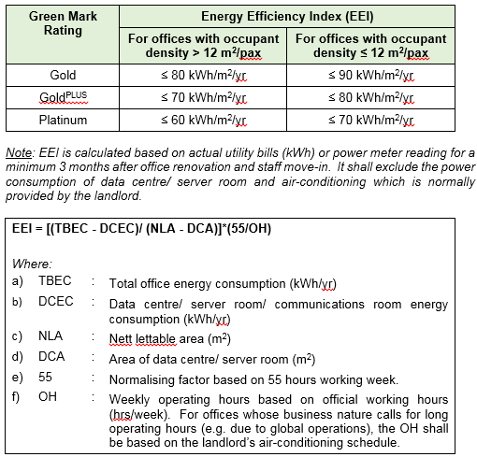
13. LIGHTING POWER DENSITY (LPD) | Gold, GoldPLUS and Platinum Ratings
To achieve more stringent LPD standards as set out in the following table.
14. AIR-CONDITIONING SYSTEM EFFICIENCY | GoldPLUS and Platinum Ratings
If unitary air-conditioning systems are used, all systems should have a minimum rating of 4 ticks or equivalent COP (Coefficient of Performance) under the Singapore Energy Labelling Scheme.
15. ENVIRONMENTAL PERFORMANCE TARGETS & ACTION PLAN | GoldPLUS and Platinum Ratings
To set site-specific environmental performance targets and action plans water and waste.
16. INDOOR AIR QUALITY (IAQ) SURVEILLANCE AUDIT | GoldPLUS and Platinum Ratings
To conduct an IAQ surveillance audit once every three years and ensure that the recommended IAQ parameters are met. The audit shall be conducted by an accredited laboratory under the Singapore Accreditation Council with respect to the recommended IAQ parameters and acceptable limits stated in Table 1 of SS 554:2016 Code of Practice for `Indoor Air quality for Air-Conditioned Buildings'.
17. POST OCCUPANCY EVALUATION (POE) | GoldPLUS and Platinum Ratings
To conduct a POE survey annually and take corrective actions accordingly.
18. GREEN PROCUREMENT POLICY | GoldPLUS and Platinum Ratings
Setting of sustainable and environmentally friendly procurement and purchasing policy and use and purchase of sustainable and environmentally friendly products for office stationery and cleaning products.
19. WORKPLACE HEALTH PROMOTING POLICIES | Gold, GoldPLUS and Platinum Ratings
To set at least three health-promoting policies covering at least three of the following topics: i) Active living – promoting employees to be more physically active ii) Mental well-being – supporting good mental health for employees iii) Healthy eating – supporting healthier eating amongst employees iv) Smoke-free – creating a smoke-free environment v) Chronic disease management – screening employees for chronic diseases and equipping them with knowledge and skills to manage any known conditions
20. WORKPLACE HEALTH PROMOTION PROGRAMME | Gold, GoldPLUS and Platinum Ratings
To run a suite of programmes for workplace health promotion based on the identified health needs, for example through surveys such as the Post Occupancy Evaluation (POE). The suite of programmes should target certain goals and objectives, and cover at least the top 3 identified needs in the following topics: i) Active living ii) Mental Well being iii) Healthy Eating iv) Smoke-free v) Chronic disease management

SECTION 1
Section 1 - SUSTAINABLE DESIGN & MANAGEMENT | Green Mark Points (17 Points) | Points Achieved | Remarks | 0 | 0 | 0
Part A: Base Building Selection | Available Points (6 Points) | 0 |  | 0.5 | 0.5 | 1
1.1 Base Building Performance |  |  |  | 1 | 1
To encourage the selection and leasing of office space within a green building. |  |  |  | 2 | 1.5
a) Green Mark Award for Base Building |  |  |  |  | 2
Building is awarded with Green Mark Gold Award or higher; or Building demonstrates 30% energy savings over last three years | 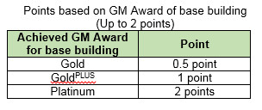 |  |  |  | 2.5
b) Green Mark Pearl Award |  |  |  |  | 3
Building is awarded the Green Mark Pearl Award in the last 3 years | 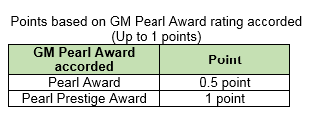
1.2 Green Lease
To encourage tenants to go the extra mile towards sustainability and establish agreed levels of environmental performance between landlord and tenant through the signing of green lease or green clauses as part of the tenancy agreement. These green clauses shall provide details recommending minimum environmental standards to assist tenants in making their fit-out and downstream operation decisions.
a) Maximum lighting power density (LPD) of tenanted spaces beyond the SS530: 2014 requirement | 1 point
b) Usage of sustainable fit-out materials as stipulated in the green fit-out guidelines c) Sustainable operations e.g. tapping on landlord’s recycling facilities etc. d) Any other commitments to enhance sustainability or the wellbeing of building occupants (e.g. fitness programmes) | Points for (b) and (d) to be scored based on the extent of the green clauses incorporated (Up to 2 points)
Part B: Project Team | Available Points (3 Points) | 0
1.3 Integrative Design Process
To recognise and encourage an integrated design process such that the renovated office space is an environmentally sustainable, resource efficient and healthy environment for the occupants. Addressing and negotiating between the various needs of all stakeholders involved in the design, fit-out/ renovation and operation stages to achieve common targets that can result in a balanced and optimised sustainable design outcome. The project team shall include and not be limited to the following representatives: • Client • ID consultant • M&E consultant • Fit-out contractor • Facility manager • Green Mark/ Environmental Sustainability Design consultant | 1 point
1.4 Environmental Credentials of Project Team
To recognise key consultants and firms with specialist green credentials who contribute to the sustainable design, fit-out/ renovation and operation stages. Applicable to key project members in the in-house facility management team or external consultants with the following credentials.
a) Green individuals
• Certified Green Mark Manager (GMM) • Certified Green Mark Facility Manager (GMFM) • Certified Green Mark Professional (GMP) • Certified Green Mark Facility Professional (GMFP) • Singapore Certified Energy Manager (SCEM) | 0.5 point each for Certified GMM or GMFM 1 point each for Certified GMP, GMFP or SCEM (Up to 1 point)
b) Green firm
• ISO 14001 or ISO 50001 certified • SGBC’s Green Services Certified firm • NEA Clean Mark Silver/Gold Award Accredited | 0.5 point each (Up to 1 point)
Part C: Management Commitment & User Engagement | Available Points (8 Points) | 0
1.5 Environmental Policy, Targets and Action Plan
To recognise Senior Management’s commitment and leadership towards a sustainable office. To establish the following policies and documents which contain sustainable targets, implementation strategies and improvement plans to achieve the target set over the next five years with endorsement by Senior Management. a) Environmental Policy for the organisation b) Organisation or site-specific environmental performance targets and action plans i) Energy Management Policy and Improvement Plan ii) Water Management Policy and Improvement Plan iii) Waste Management Policy and Recycling Plan iv) ISO 14001 or ISO 50001 certifications c) Key appointment holders for the office operation including the persons responsible for review, implementation and roll-out of these action plans with organisation chart made known to the office occupants | 0.5 point for each item (Up to 3 points)
1.6 Sustainable Procurement
This refers to the implementation of various policies and measures to promote sustainable operation within the office.
a) Green Procurement Policy
Adoption of environmental preferable procurement policy in the operation and maintenance of the building. The objective of this policy is to reduce the adverse environmental impact of building owners’ purchasing decisions by buying goods and products from environmentally responsible product/ service providers. | 1 point
b) Performance Based Procurement for Retrofitting
Adoption of Energy Performance Contract (EPC) by EPC firms accredited by Singapore Green Building Council (SGBC) for the EE retrofit of lightings (with guaranteed LPD at ≤ 10 W/m2) | 1 point
1.7 Occupant Engagement
This refers to the provision of relevant information and guidance to the occupants by the green and health ambassador/ committee as to how they can contribute positively to the office’s environmental performance and overall occupant well-being.
a) Green and Health Education
To create awareness among the office occupants on the green features of the base building and office provision, the health and wellness policies and programmes, and how they can contribute towards sustainability as end-users. • Green and health newsletters/ user guide • Green and health corner (notice board, intranet, etc.) • On-boarding programme for new staff • Others | 0.5 point each (Up to 1 point)
b) Green and Health-Related Activites
To encourage occupant engagement through green and health-related activities. Points can be scored based on the number and scale of green and health related activities held in a year. Examples of green and health-related activities include organisation-wide events such as: • Car-free day • Beach clean-ups • Upcycling workshops • Mass walks • Sports tryouts • Others | 0.5 point for each green activity (up to 2 points)
...

SECTION 2
...
Section 2 – ENERGY AND RESOURCE MANAGEMENT | Green Mark Points (42 Points) | Points Achieved | Remarks | 0 | 0 | 0 | 0
2.4 Plug Load Management and Operation
Encourage the use of active plug load control strategies to minimise energy usage during operation. a) Active plug load management based on operation schedule (automatic cut-off switches with user override) b) Overnight equipment management system c) Other strategies/ systems | 1 point each (Up to 2 points)
Part C: Air-Conditioning | Available Points (4 Points) | 0
2.5 Air-Conditioning Zoning & Controls
Encourage the use of air-conditioning design practices that offer greater flexibility and makes it easier to serve area with different usage efficiently, such as the following.
a) Zoning of air-conditioning system to serve areas with different usage/ occupancy needs | 1 point
b) Scheduling control to switch on and/or off the airconditioning with some localized override control where air-conditioning is needed beyond the scheduled period • Air-conditioning on timer control • Alternative cooling modes for after office hours (e.g. auxiliary air-con for selected areas only, localised cooling through fans, etc.) | 2 points
c) Meeting rooms, pantry, etc. with specialty occupancies having controls capable of sensing space use and responding to space demand | 1 point
Part D: Water | Available Points (3 Points) | 0
2.6 Water Efficient Fittings
Encourage the use of water efficient fittings under Water Efficiency Labelling Scheme (WELS) or adopt equivalent water efficient flow-rate/ flush volume for water fittings: • Basin taps and mixers • Showers • Sink/Bib taps and mixers • Urinals and Urinal Flush Valves • Dual flushing cistern for WC Or Achieve PUB Water-Efficient Building Certificate | 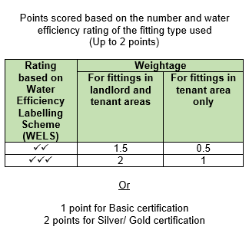
2.7 Water Usage Monitoring
Facilitate continual monitoring of water use within the development through the provision of water meters for major water uses. • Provision of local private meters for all major water uses in the office • Provision of leak detection system with alert features • Provision of smart meters for remote monitoring • Provision of water usage portal, dashboard or other equivalent forms that display metered data, trending of water consumption and relevant parameters which facilitate better management of water consumption during building operation | 0.5 point each (Up to 1 point)
Part E: Materials and Products | Available Points (12 Points) | 0
2.8 Sustainable Renovation
a) Existing Provisions Encourage the retention of existing provisions and minimise wastage from renovation from office fit-out.
i) Office renovation conserves at least 25% (by area) of existing finishing for walls, flooring and ceilings | 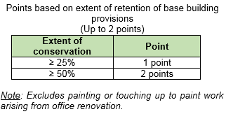
ii) Retain and reuse of at least 25% (by number/ volume) of the existing furniture or use of furniture with end-of-life take back service | 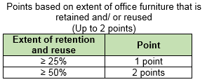
b) Flexible Layout To encourage design of open, flexible and reconfigurable layouts for maximum space usage. • Provision of open and flexible layout with minimum enclosed space for ≥ 50% of office area • Provision of space savers, compactors, mobile stations, etc. • Agile working facilities (e.g. hot desking, touchdown areas, lockers for staff with no assigned desks, etc.) • Multi-functional spaces e.g. pantry areas for townhall sessions, small meetings, health promoting activities (e.g. physical activity, health workshops, health screening and coaching), etc. • Others | 0.25 points each (Up to 1 point)
c) Renovation Products/ Materials Usage of green certified renovation products/ materials by an approved local certification body. Examples of green products include the base layer and finishes layer under the following categories: • Internal walls • Floors • Ceilings • Doors | 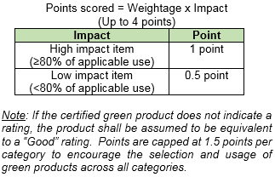
2.9 Operational Products
Encourage the selection and usage of renovation products and materials that are environmentally-friendly and sustainable within the office. • Cleaning products recognised by approved local certification body or equivalent • Environmental-friendly janitorial paper products • Office stationery | 3 points
Part F: Waste | Available Points (4 Points) | 0
2.10 Operational Waste Management
Promote and encourage waste reduction and recycling among occupants, tenants and visitors.
a) Reduce • Follow-me printing or secure printing, with printing options set to default greyscale and duplex printing • Digitalising internal processes e.g. HR/ administrative processes, approval, claims, payments to suppliers, etc. • Dissemination of information and circulars through emails, intranet, sharepoint, staff notice board, etc. • Encouraging staff to bring their own electronic devices to meetings instead of printing • Others | 0.5 point each (Up to 2 points)
b) Reuse • Use of non-disposable cups for meetings and by staff • Use of non-disposable cutlery and crockery • Use of erroneous single sided print outs • Ordering of office supplies in bulk to cut down on packaging waste | 0.5 point each (Up to 1 point)
c) Recycle • Provision of facilities for the collection and storage of common recyclables in commingled (e.g. recyclables and non-recyclables) or sorted form (such as paper, glass, metal and plastic) • Provision of facilities for the recycling of specialised waste stream such as E-waste, printer toners/ cartridges, light bulb/ fluorescent tubes, and food waste
Sub-total for Section 2 |  | 0.0

SECTION 3
...
Section 3 – OFFICE ENVIRONMENT | Green Mark Points (30 Points) | Points Achieved | Remarks | 0 | 0 | 0 | 0
ii) Occupants have access to devices to enhance individual thermal comfort (e.g. fans) | 0.5 point |  |  |  |  | 3
c) Post Occupancy Evaluation (POE)
i) Conduct yearly post occupancy evaluation to assess occupant’s satisfaction with the indoor environment | 2 points
ii) Communicate aggregate results with occupants | 0.5 point
iii) List of corrective actions taken following the post occupancy evaluation | 1 point
iv) Verify effectiveness of corrective actions and close the loop | 1 point
d) Indoor Air Quality (IAQ) Surveillance Audit Conduct periodic IAQ surveillance audit and ensure that the recommended IAQ parameters are met. The audit shall be conducted by an accredited laboratory under the Singapore Accreditation Council with respect to the recommended IAQ parameters and acceptable limits stated in Table 1 of SS 554:2016 Code of Practice for `Indoor Air quality for Air-Conditioned Buildings' (For the SAC accredited laboratories, please refer to https://www.sac-accreditation.gov.sg/cab/acab/Pages/ACTL-Overview.aspx?f=LAF&a=LAF002)
e) IAQ Management Plan Develop an active IAQ management programme to ensure the quality of the indoor environment throughout the course of the office operation | 1 point
3.2 Indoor Contaminants Management
Encourage the adoption of indoor contaminant pollution control measures and air treatment strategies that can safeguard the heath of occupants.
a) VOC Limits for Interior Fittings and Finishes Encourage use of green products certified under the Singapore Green Building Product certification with Very Good or above rating, of which the VOC emission rate standards meet more stringent VOC emission limits. Examples include: i) Adhesives and sealants (including tile grouting) ii) Floor coverings such as carpets, laminates and vinyl flooring (excluding tiles) iii) Ceiling coverings such as ceiling boards iv) Wall coverings (excluding tiles) v) Varnish, stains lacquers or other trims (including doors and furniture) | 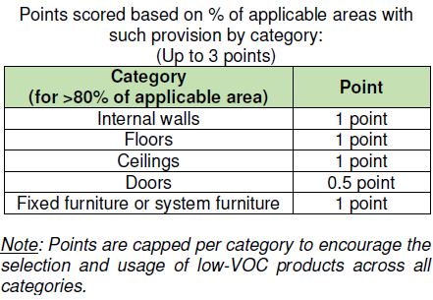
b) Air Purging i) Conduct pre-occupancy flush out after the completion of construction and all fitting-out of interior finishes (including fixed furniture and furnishings) for all occupied spaces to remove the contaminants | 1 point
ii) Local isolation and exhaust systems to remove pollutants at source e.g. photocopier room with exhaust system | 1 point
c) Pesticides and Repellent Products Encourage the selection and usage of registered public health pesticides and repellent products as approved by NEA. These vector control products should be suitable for indoor use and does not cause pollution to the air or water quality. | 1 point
3.3 IAQ Trending, Monitoring and Display
a) IAQ Trending and Monitoring Provide permanent trend logging and monitoring of the following parameters, with at least 1 measuring point per floor and linked to a centralised system to ensure that health and safety standards are continuously met during operational times.
i) Temperature and relative humidity | 0.5 point
ii) At least one common indoor air pollutant such as CO2, formaldehyde, total volatile organic compound (TVOC) or particulate matters (e.g. PM 2.5/ PM 10) | 0.5 point for each parameter (up to 1.5 points)
b) IAQ Display To provide display panels at each floor or tenancy indicating the following information to raise awareness among the tenants, building occupants and visitors on the office’s indoor air conditions. • Temperature & relative humidity • CO2 concentration • Others (e.g. formaldehyde, TVOC, particulate matters) | 0.5 point for each parameter (up to 1 point)
Part B: Spatial Quality | Available Points (12 Points) | 0
3.4 Daylighting
...

SECTION 5
Section 5 – ADVANCED GREEN AND HEALTH EFFORTS | Green Mark Points (30 Points) | Points Achieved | Remarks | 0 | 0 | 0 | 0
Part A: Advanced Green Efforts | Available Points (25 Points) | 0 |  | 0.25 | 0.5 | 0.5 | 1
5.1 Energy Efficiency Index (EEI) |  |  |  | 0.5 | 1 | 1 | 2
To improve the overall energy consumption in the officethrough benchmarking using EEI | 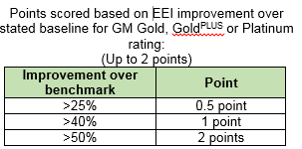 |  |  | 0.75 | 2 | 1.5 | 3
5.2 Renewable Energy |  |  |  | 1 |  | 2
To encourage greater adoption and use of renewable energy. a) On-site generation On-site generation of renewable energy to reduce office’s power consumption from the grid and carbon emissions | Points scored = 0.5 x (% replacement of electricity by renewable energy) (Up to 2 points) | 0 |  |  |  | 2.5
% replacement of electricity by renewable energy = |  |  |  |  |  | 3
b) Purchase of renewable energy Offsite power purchase agreement from licenced electricity retailers to replace or offset required power consumption from the grid. Renewal energy certificates (REC) from internally-recognised companies can also be considered. |  |  |  |  |  | 3.5
5.3 Energy Monitoring and Demand Control |  |  |  |  |  | 4
a) Energy Monitoring To encourage tracking of the office’s energy use with data presented in a relevant manner to make occupants aware of what they are consuming and engage them to be involved in managing end-use energy consumption. |  |  |  |  |  | 4.5
i) Electrical Sub-Metering Provide private sub-meters to monitor the major energy use system in the office: • Air-conditioning / FCUs • Lighting • Plug loads Note: Energy consumption of data centres/ server rooms/ hub rooms should be separately metered for the purpose monitoring and EEI calculation. Hence, no further point will be given for submetering of these rooms. | 0.5 point each per system (Up to 1.5 points) |  |  |  |  | 5
ii) Energy Portal and Dashboard • Linking the private sub-meters to the office’s energy management system (either web-based or mobile application) or equivalent for purpose of trend logging and readouts | 0.5 point
• The provision of an energy portal or dashboard in the form of digital displays in the office or on the company’s intranet | 0.5 point
b) Demand Control Using occupancy based controls to vary indoor conditions and reduce energy consumption while maintaining good indoor environmental quality. • Dynamic localised control allowing staff to control their own microclimate at their workplaces to suit their personal needs and preferences (e.g. lighting level, demand control ventilation, etc.) | 1 point
...
c) Enhanced Filtration Media Provision of air cleaning devices with stipulated air filtration performance to regulate particulate levels for >90% of the occupied space e.g. electronic air cleaner, media filters. | 0.5 point
d) IAQ Management Adoption of IAQ management practices stated in Workplace Safety and Health Guidelines – Management of Indoor Air Quality in Air-Conditioned Workplaces. The appointed IAQ in-house IAQ manager should attend IAQ courses and educate the facility management staff accordingly. The IAQ management framework flowchart in the Guidelines should also be used. (Refer to https://www.wshc.sg) | 1 point
5.7 Complementary Certifications
Encourage tenants to take up and maintain high sustainability and corporate standards on well-being through certification.
a) Green Mark for Office Interiors scheme • Achieved a Green Mark Award under Green Mark for Office Interiors scheme | 1 point if certificate is still valid
b) Singapore Health Award • Accorded HPB’s Singapore Health Award Merit rating or above in the past 2 years | 1 point
c) Other complementary certifications Achieving other complementary certifications such as: • Sustainability disclosure according to Global Reporting Initiative (GRI) Sustainability Reporting guidelines • Certifications awarded by other bodies | 0.5 point each (Up to 1 point)
5.8 Green Mark Decal
To display the Green Mark decal at a prominent location such as main entrance, foyer or main lobby to the office. | 1 point
5.9 Other Advanced Green Efforts
Offices which demonstrate substantial and exemplary performance to a specific sustainability indicator or outcome addressed within Green Mark beyond what is specified in the criteria, assessed on a case by case basis. | 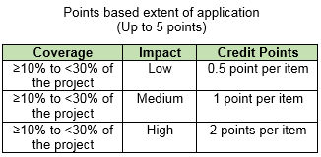
Part B: Advanced Health Efforts | Available Points (5 Points) | 0
5.10 Workplace Health Promotion Activities
Efforts to make workplace health promotion activities known, accessible and easy to participate for employees.
a) Promotion of health-related activities Examples: • Installation of point-of-decision prompts/ signage (e.g. at lift lobbies to encourage stair-taking) • Publicity materials to promote healthy lifestyles (e.g. tips to eat healthily, available programmes and policies that promote workplace health) • Incentives for healthier behaviours (e.g. pricing incentives for healthy food selection, choice architecture practices, rewards for regular participation of fitness programmes) | 0.5 points for every example stated (up to 2 points)
b) Inclusivity Examples: • Programmes designed to reach out to off-site and shift workers (e.g. fitness classes at multiple sites, timing of activities to meet shift times, e-platforms, etc.) • Catering to different demographic and preferences (e.g. differing language proficiencies) | 0.5 points for every example stated (up to 2 points)
c) Others Examples: • Tenancy/ lease contract with on-site workplace eateries on board HPB’s Healthier Dining programme stipulating the provision of healthier meals (at least 1 <500kcal dish or use healthier oils or serve wholegrains) | 0.5 points for every example stated (up to 1 point)
Sub-total for Section 5 |  | 0

