Revision Tracking
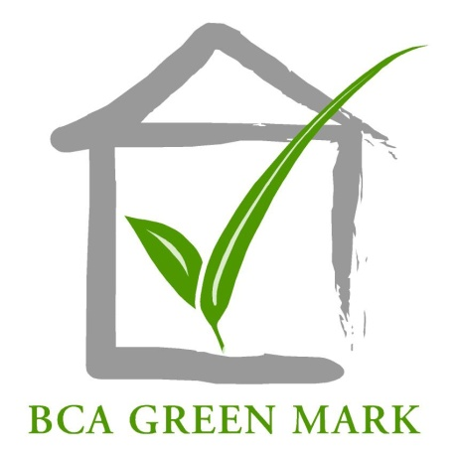

BCA Green Mark for Laboratories

GM Lab: 2017
GM Lab 2017 Score Card

 | Current Version | Score Card_ GM_Lab_2017_R1.02
 | The latest version of the score card is available for download, pls download online |  | Download here
History of amendments
S/N | Version No. | Remarks/Brief Description of changes | Effective date
1 | Score Card_ GM_Lab_2017_R1.01 | Uploaded first version | 24-Dec-18
2 | Score Card_ GM_Lab_2017_R1.02 | Revision for user friendliness | 15-Jun-20

