Section 2
SECTION 2 - BUILDING ENERGY PERFORMANCE |  | POINTS SCORED | 0

PRE-REQUISITES |  | COMPLY
1 | ENERGY CONSUMPTION MONITORING
2 | AIR CONDITIONING SYSTEM MINIMUM OPERATING EFFICIENCY
3 | ENERGY IMPROVEMENT ON LIGHTING SYSTEM
5 | CHILLER PLANT MEASUREMENT AND VERIFICATION (M&V) INSTRUMENTATION

2.1 | Façade Performance | DATA INPUT | AVAILABLE POINTS | POINT SCORED | REMARKS
 | To enhance the overall thermal performance of the building envelope thus reducing the overall heat gain into the building. |  | 2 | 0

 | Envelope Thermal Transfer Value (ETTV) (W/m2)
2.2 | Air Conditioning System Operating Efficiency
 | Total Gross Floor Area (m2) | 0
 | Total Air-Condtioned Area (m2)
 | 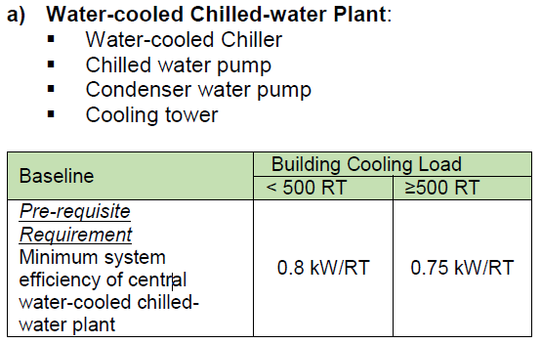 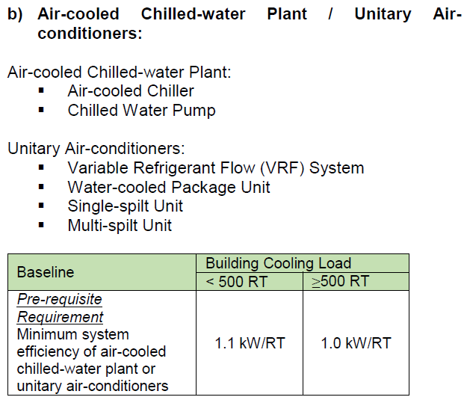 |  | 12 | 0
 | Type of air-conditioning system (Primary)
 | System 1 Cooling Load (RT)
 | Air Conditioning System Efficiency (kW/RT)
 | Other type of air-conditioning system
 | System 2 Cooling Load (RT)
 | Air Conditioning System Efficiency (kW/RT)
 | Air Distribution System |  | 4 | 0
 | Air distribution operating system efficiency baseline: 0.28 kW/RT
 | Air distribution operating system efficiency
 | EUIAC(kWh/m2·yr)
 | EUIAC# (kWh/m2·yr)
 | % Improvement from baseline | 0.00
2.3 | Natural/ Mechanical Ventilation Performance
 | Applicable to non air-conditioned buildings, with an aggregate non air-conditioned building area > 10% of the total floor area excluding car parks and common areas. |  | 17 | 0
 | Total Gross Floor Area (m2) | 0
 | Total Area with Natural Ventilation
 | Total Area with Mechanical Ventilation
 | Total Non Air-Condtioned Area (m2) | 0
 | % of Occupied Non Air-Conditioned Area | 0.00
a) | Natural Ventilation (only applicable to occupied areas, excluding circulation, plant rooms and transit areas)
 | Use of natural ventilation
 | % of natural ventilated areas with window openings facing north and south directions and cross ventilation demonstrated
b) | Mechanical Ventilation
 | To encourage the use of energy efficient mechanical ventilation system as the preferred ventilation mode to reduce the use of air-conditioning in buildings.
 | Efficiency of Mechanical Ventilation (W/CMH)
 | % Improvement from baseline
2.4 | Lighting System Efficiency
 | To encourage the use of energy efficient lighting to minimise energy consumption from lighting usage while maintaining proper lighting level |  | 6 | 0
 | % improvement from lighting power budget baseline in common area
 | % improvement from lighting power budget baseline in lettable/ non-common area
2.5 | Verticial Transportation System
 | To encourage the use of energy efficient vertical transportation systems within the building |  | 1.5 | 0
 | a) Provision of lifts, escalators and travelators equipped with AC variable voltage and variable frequency (VVVF) motor drive and sleep mode features
 | b) Provision of lift with regenerative drive
2.6 | Ventilation in Car Park |  | 2 | 0
 | To encourage the use of natural ventilation or energy efficient design and control of ventilation systems in carparks.
 | a) Mechanically ventilated car parks with carbon monoxide (CO) sensor control
 | b) Carparks with natural ventilation /No carpark
 | c) Carpark with both natural and mechanical ventilation (CO sensor)
 | Carpark area with natural ventilation (m2)
 | Carpark area with mechanical ventilation (m2)
2.7 | Ventilation in Common Areas
 | To encourage the use of energy efficient ventilation systems in common areas as follows: |  | 3 | 0
 | i) Toilets
 | ii) Staircases
 | iii) Corridors
 | iv) Lift lobbies
 | v) Atrium
2.8 | Energy Efficiency Practices and Features
 | To encourage the use of energy efficient practices and features which are innovative and/or have positive environmental impact. |  | 2 | 0
 | % energy savings over the total annual building energy consumption
2.9 | Renewable Energy
 | To encourage greater adoption and use of renewable energy.
a) | Solar Energy Feasibility Study |  | 1 | 0
 | The evaluation of a building’s potential in harnessing solar energy so as to raise awareness on viable solar opportunities within the development and allow building owners to make an informed decision regarding the adoption of solar photovoltaics
b) | Solar Ready Roof |  | 1.5 | 0
 | To encourage existing buildings to be ready for solar photovoltaic installation and facilitate their deployment should building owners decide to do so in the near future. The building development shall demonstrate solar readiness for at least 50% of the feasible roof area determined through the feasibility study. Points will be awarded for each of the following:
 | i) Structural readiness: Provisions to accommodate optimised structural installation of solar panels on rooftop spaces
 | ii) Electrical readiness: Provisions to accommodate optimised electrical installation of solar panels on rooftop spaces
 | iii) Spatial readiness: Provisions to optimise the available non-shaded rooftop area for photovoltaic and/or adoption of recommendations for roof spatial optimisation outlined in the solar energy feasibility study.
c) | Adoption of Renewable Energy |  | 4 | 0.0
 | To encourage on-site generation of renewable energy to reduce the building’s power consumption from the grid and carbon emissions.
 | 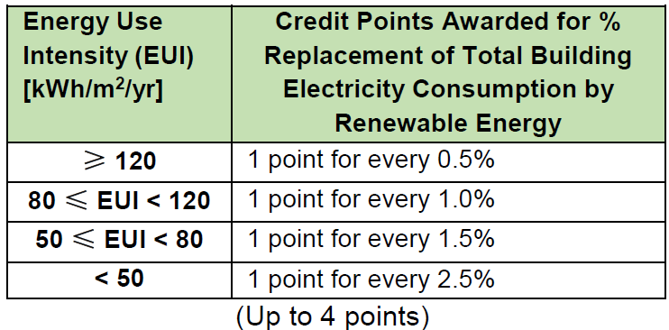
 | Energy Use Intensity (EUI) (kWh/m2·yr)
 | % Replacement of Total Building Electricity Consumption by Renewable Energy

Section 5
SECTION 5 - ADVANCED GREEN EFFORT |  | POINTS SCORED | 2

5.1 | Accredited Green Facility Management Companies | DATA INPUT | AVAILABLE POINTS | POINTS SCORED | REMARKS
 | To encourage the engagement of Green Facility Management (FM) companies, accredited by the Singapore Green Building Council (SGBC) or equivalent, in the sustainable operation and maintenance of the building |  | 1 | 0
5.2 | ETTV < 40W/m2 |  | 1 | 0
 | To encourage good thermal performance of a building envelope to minimise heat gain into the building.
 | Envelope Thermal Transfer Value (ETTV) (W/m2) | 0
5.3 | Demonstration of Better Air Distribution System Efficiency |  | 2 | 0
 | To encourage better air distribution system efficiency of less than 0.2 kW/RT (Baseline = 0.28 kW/RT). The efficiency should be demonstrated via an energy audit.
 | % Improvement from baseline | 0.00
5.4 | Renewable Energy
 | a) Further Electricity Replacement By On-site Renewable Energy (Section 2.9c) |  | 6 | 0
 | % Electricity Replacement | 0
 | b) Purchase of Renewable Energy From Licenced Electricity Retailers Minimum 5% of total building energy to be purchased from renewable energy sources and a minimum contract period of 3 years) |  | 1 | 0
 | c) Roof leasing for Photovoltaic installation |  | 1.5 | 0
5.5 | Thermal Comfort with Elevated Air Speed
 | Use of innovative solutions, such as high temperature cooling with increased air speed, to achieve thermal comfort conditions while reducing energy consumption |  | 2 | 0
 | Demonstrate compliance with thermal comfort criteria (-0.5 < PMV < 0.5 and/or PPD < 10%) through ASHRAE 55, ISO 7730 or EN15251 methodologies, and energy savings through actual metering
 | Indoor temperature maintained at 26oC and above
5.6 | IAQ Surveillance Audit
 | IAQ surveillance audit is conducted once every 3 years by an accredited laboratory under Singapore Accreditation Council with respect to the recommended IAQ parameters and acceptable limits stated in Table 1 of SS554: 2016 based on the reference methods. |  | 2 | 0
5.7 | Outdoor Airflow Monitoring System
 | To measure and monitor the outdoor airflow volume in the following by permanent devices to ensure provision of sufficient ventilation for various spaces, in accordance with desired ventilation rates. |  | 2 | 0
 | a) All precool units (e.g. PAHUs)
 | b) > 90% coverage (by nos.) of a building’s all AHUs and/or FCUs
5.8 | SGBC or equivalent Certified Air Filters
 | Use of SGBC or equivalent certified air filters at all AHUs including PAHUs. |  | 1 | 0

 | SGBC Rating of air filter
5.9 | Indoor Air Quality Trending and Monitoring
 | To provide permanent trend logging and monitoring of the following parameters, with at least 1 measuring point per floor and linked to a centralised system. |  | 4 | 0
 | a) Temperature and relative humidity
 | b) Common Indoor Air Pollutants
 | i) Formaldehyde
 | ii) Total Volatile Organic Compounds (TVOC)
 | iii) Particulate Matters
5.10 | Local Exhaust and Air Purging System
 | a) Local isolation and exhaust systems to remove the pollutants at source, e.g. photocopier room with exhaust system |  | 1 | 0
 | b) Air purging system to replace contaminated indoor air with outdoor fresh air
5.11 | Permanent M&V for Variable Refrigerant Flow (VRF) system
...
SECTION 5 - ADVANCED GREEN EFFORT |  | POINTS SCORED | 2
 | i) Smart Technology Solution
 | Description of smart technology solution
 | ii) Smart Technology Solution
 | Description of smart technology solution
 | iii) Smart Technology Solution
 | Description of smart technology solution
 | iii) Smart Technology Solution
 | Description of smart technology solution
5.17 | Other Advanced Green Efforts
 | Buildings which demonstrate substantial and exemplary performance to a specific sustainability indicator or outcome addressed within Green Mark beyond what is specified in the criteria, assessed on a case-by-case basis |  |  | 2
 | 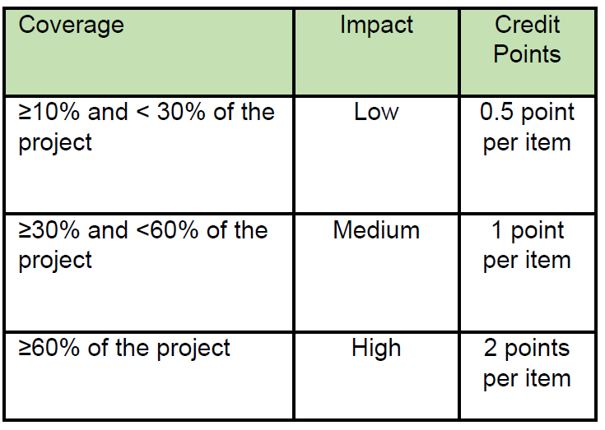
 | i) Advanced Green Effort
 | Description of Other Advanced Green Efforts
 | ii) Advanced Green Effort
 | Description of Other Advanced Green Efforts
 | iii) Advanced Green Effort
 | Description of Other Advanced Green Efforts
 | iv) Advanced Green Effort
 | Description of Other Advanced Green Efforts
 | v) Advanced Green Effort
 | Description of Other Advanced Green Efforts
...

